Sheet1
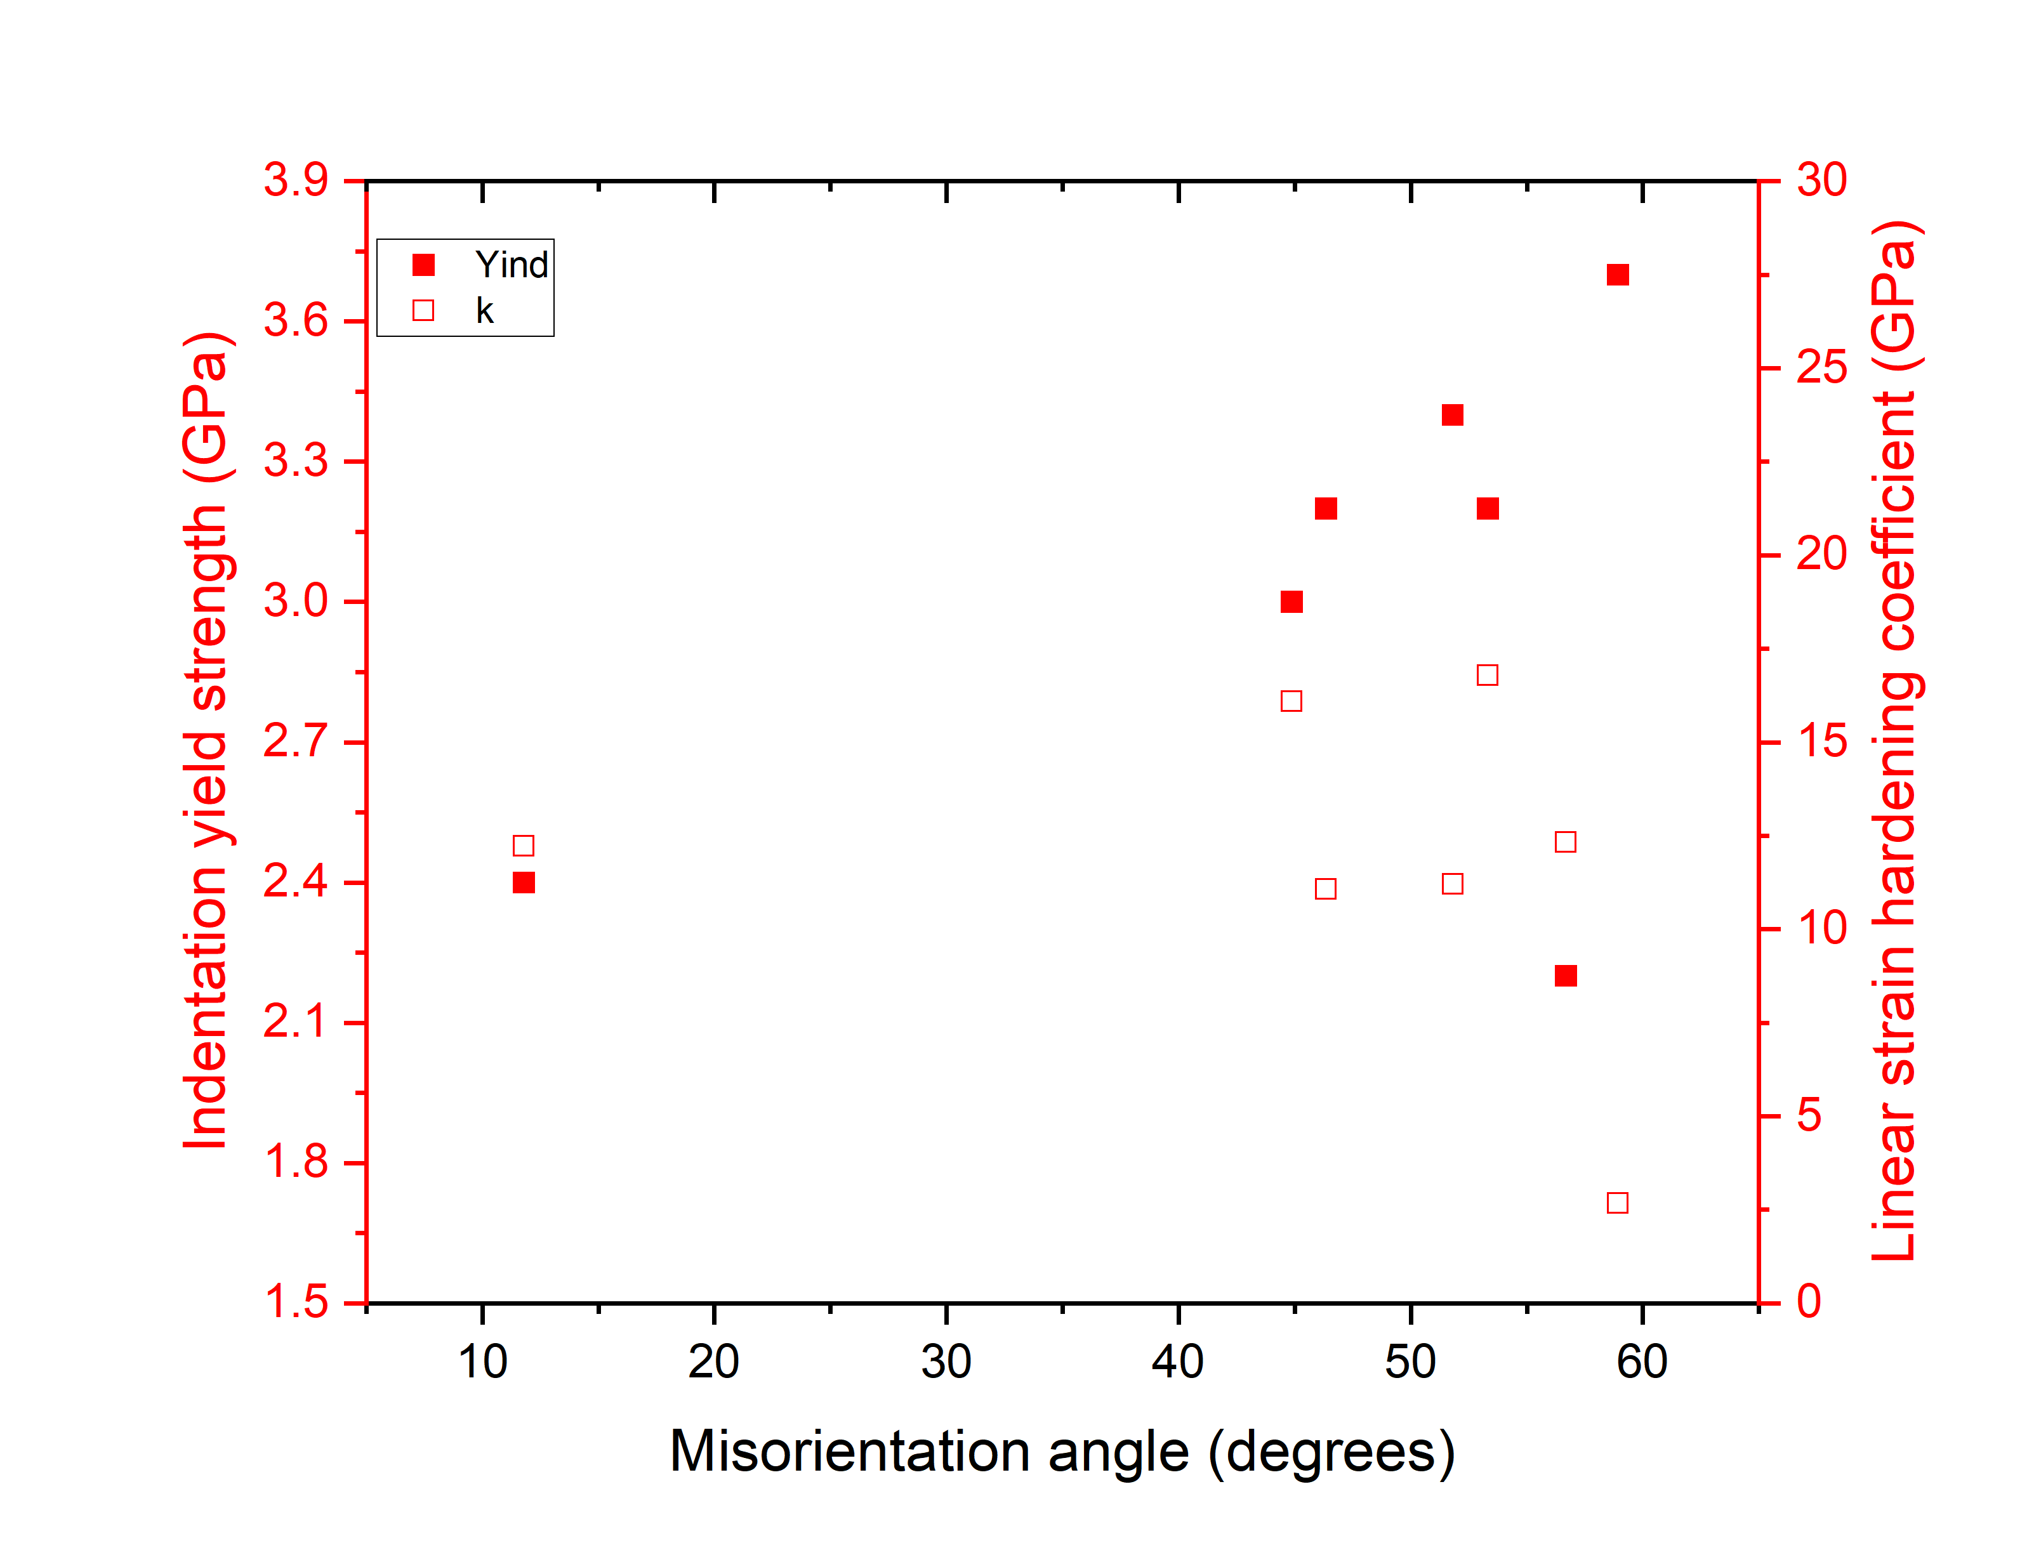
Test | Linear strain hardening co-efficient (GPa) | Yind (GPa) | Distance (um) | Misorienatation (degrees) | Euler angles of block with indent |  |  | Euler angles of block on other side of the closest boundary
 | Parameters calculated |  | Parameters measured |  | φ1 (°) | Φ (°) | φ2 (°) | φ1 (°) | Φ (°) | φ2 (°) | Variation of indentation yield strength and linear strain hardening co-efficient vs Misorientation and distance in case of indents falling on the grains close to 100
2_56 | 12.23 | 2.4 | 0.32 | 11.79 | 155.36 | 4.44 | 69.78 | 162.9 | 6.65 | 64.54
2_46 | 11.07 | 3.2 | 0.29 | 46.36 | 162.9 | 6.65 | 64.54 | 291.19 | 24.96 | 83.34
2_64 | 2.68 | 3.7 | 0.2 | 58.93 | 155.36 | 4.44 | 69.78 | 38.38 | 36.42 | 54.02
2_10 | 16.79 | 3.2 | 0.1 | 53.32 | 331.06 | 5.04 | 75.1 | 166.08 | 54.26 | 44.14
2_29 | 11.21 | 3.4 | 0.16 | 51.81 | 335.25 | 7.8 | 85.08 | 238.8 | 43.51 | 39.19
2_34 | 12.32 | 2.2 | 0.18 | 56.69 | 95.26 | 1.55 | 53.95 | 243.24 | 39.57 | 37.16
2_75 | 16.1 | 3 | 0.11 | 44.88 | 319.22 | 23.97 | 26.85 | 113.12 | 36.62 | 58.48
2_4 | 26.26 | 1.6 | 0.24 | 21.34 | 351.24 | 42.4 | 72.9 | 348.64 | 43.29 | 56.75
1_48 | 14.83 | 3 | 0.26 | 13.74 | 351.24 | 42.4 | 72.9 | 276.87 | 75.66 | 77.11
2_18 | 11.47 | 3.5 | 0.18 | 57.06 | 351.24 | 42.4 | 72.9 | 78.14 | 46.59 | 25.81
2_16 | 27.38 | 2.6 | 0.14 | 27.4 | 351.24 | 42.4 | 72.9 | 349.45 | 14.31 | 65.5
2_70 | 10.45 | 3.8 | 0.29 | 50.86 | 58.34 | 51.88 | 39.03 | 44.28 | 13.06 | 84.1
2_90 | 21.72 | 3.2 | 0.12 | 56.25 | 54.36 | 49.5 | 40.11 | 215.68 | 38.57 | 54.89
2_40 | 3.53 | 3.6 | 0.15 | 52.36 | 54.85 | 49.42 | 41.03 | 310.86 | 17.99 | 72.73
2_50 | 8.86 | 3.4 | 0.13 | 57.53 | 60.25 | 51.4 | 38.11 | 350.06 | 2.35 | 51.86
2_30 | 22.8 | 3.3 | 0.07 | 56.85 | 239.1 | 38.29 | 38.57 | 325.25 | 7.8 | 85.08
2_77 | 16.78 | 3 | 0.16 | 58.98 | 38.68 | 35.98 | 54 | 155.35 | 4.44 | 69.78

 | EBSD file name: EBSD 2 |  |  |  |  | EBSD file name: EBSD 1
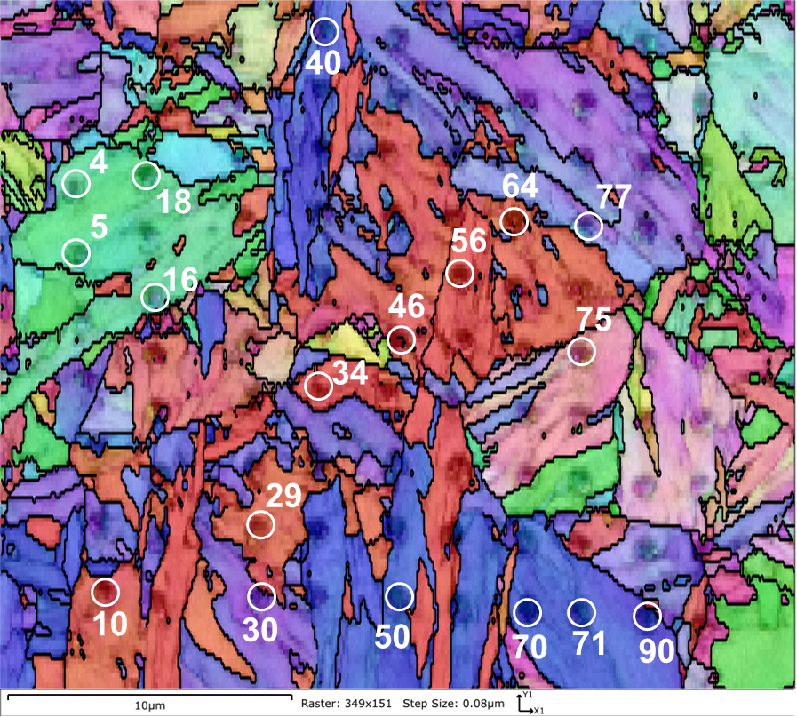 |  |  |  |  |  |  |  |  |  | 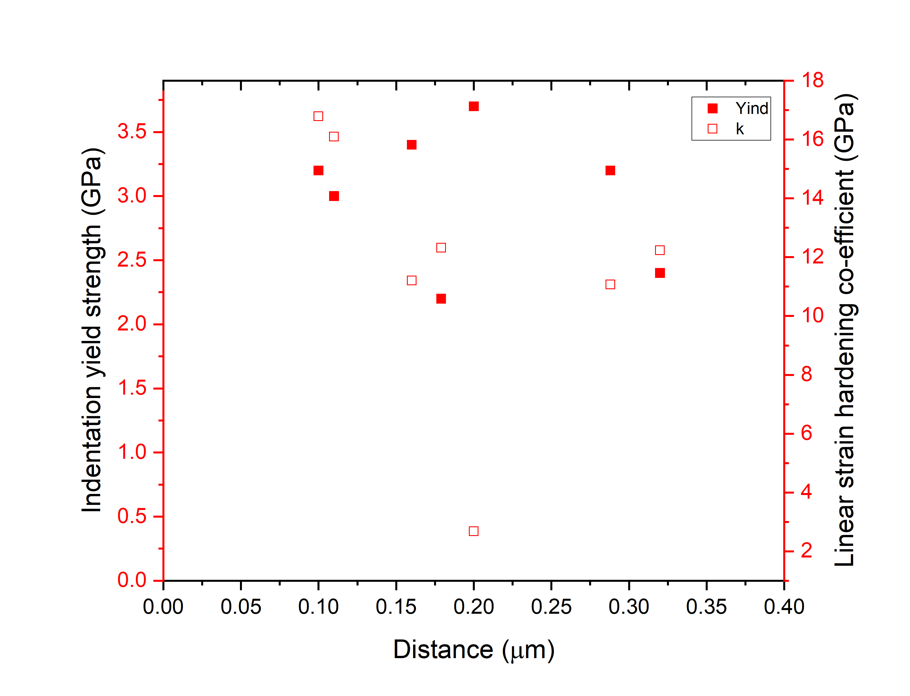 |  | This sheet contains the indentation yield strength data obtained from the spherical nanoindentation experiments at strain rates of 10^-2/s. The tests are denoted in format #_$ where # indicate the corresponding EBSD map number and $ indicate the indent number. For example, 2_56 in sheet 1 indicate the indent number 56 of EBSD map 2 in the " EBSD_Sph" subfolder in folder "EBSD" (EBSD>EBSD_Sph>EBSD 2.ctf). The IPF colored EBSD maps with indents marked are attached.

